✶ Instructions
 |  | I N S T R U C T I O N S

 |  | ・ I N V E N T O R Y T R A C K E R ・

 | Thank you for your purchase! ☺️ Please take a time to read through this instruction. Here, you will learn how to setup your spreadsheet
 | and you’ll find answers to the most frequently asked questions.

 | IMPORTANT INFO |  | INSTRUCTION GUIDE |  | FAQs

P L E A S E N O T E

 | ⚠️ NOT COMPATIBLE WITH EXCEL

 | This spreadsheet was designed for Google Sheets and will not function properly in Excel. While Google Sheets and Excel are pretty similar,
 | there are differences in their formatting and how formulas are set up.

 | 🔒 PROTECTED CELLS & TABS

 | This spreadsheet is protected to prevent cells with formulas from being edited accidentally. However, there are exceptions on cells you're supposed to edit.
 | If you want to remove the sheet protection, please go to Data > Protected sheets and ranges. From there, select the tab and on the right,
 | there should be a Trash icon. Altering or removing formulas in the spreadsheet will change how it works.

I N S T R U C T I O N G U I D E

 |  |  |  | STEP 1. OPEN THE SETUP TAB TO CHANGE CURRENCY

 |  |  |  | By default, the template's currency is set to $, however it can easily be changed
 |  |  |  | to any currency of your choice. Just below the end date, you can select your
 |  |  |  | currency symbol to change the currency of the entire template.

 |  |  |  | Click on the red arrow and select your currency through the dropdown menu.

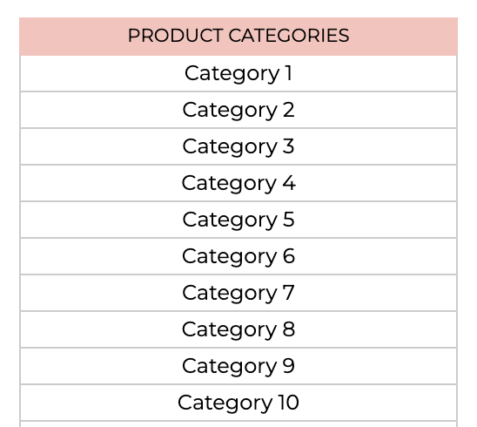
 |  |  |  | STEP 2. CUSTOMIZE YOUR CATEGORIES

 |  |  |  | Here in the Setup tab you can customize your product and material categories.
 |  |  |  | To customize a category simply click on the category cell and replace it with your
 |  |  |  | own category, or use empty cells.

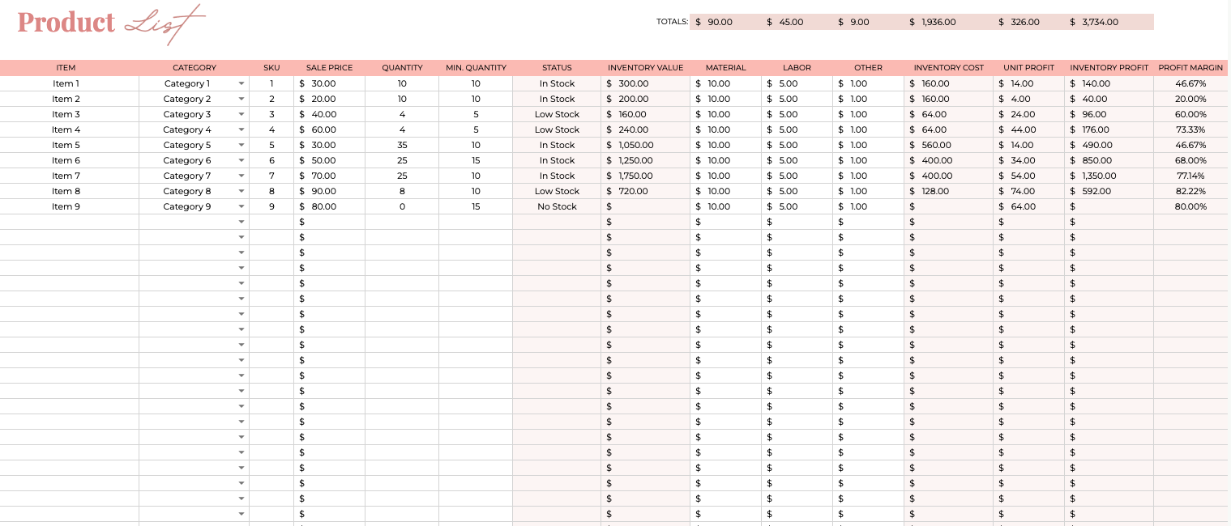
 |  |  |  | STEP 3. PRODUCTS TAB

 |  |  |  | The products tab is designed to keep track of your end products, the products that are
 |  |  |  | ready to be sold. To set up the products tab fill in the following information:

 |  |  |  | 1. Item - the product name or title
 |  |  |  | 2. Category - select one of your custom categories
 |  |  |  | 3. SKU - fill in the SKU you have set for your product
 |  |  |  | 4. Sale Price - the price at which you are selling the product
 |  |  |  | 5. Quantity - how much stock you currently have available
 |  |  |  | 6. Minimum Quantity - minimum amount of end products you'd like to have in stock
 |  |  |  | 7. Material - the total cost of materials used for each product
 |  |  |  | 8. Labor - labor cost
 |  |  |  | 9. Other - any other expenses

 |  |  |  | Once this information is filled in, the inventory value, status, inventory cost, unit profit,
 |  |  |  | inventory profit, and profit margin will be automatically calculated for you.

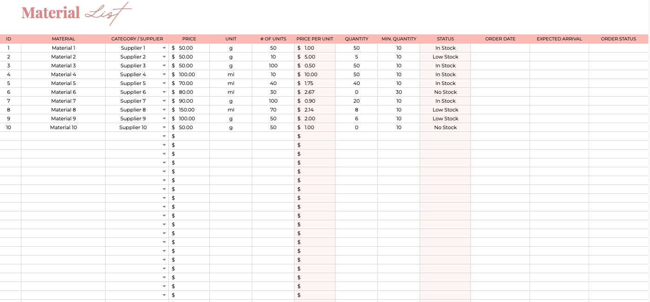
 |  |  |  | STEP 4. MATERIALS TAB

 |  |  |  | The materials tab is designed to make sure you will never be low on stock again.
 |  |  |  | To setup up your materials tab fill in the following information:

 |  |  |  | 1. ID - fill in the ID number you have set for your product
 |  |  |  | 2. Material - the material name
 |  |  |  | 3. Category - select one of your custom categories
 |  |  |  | 4. Price - the cost of the material per single unit
 |  |  |  | 5. Unit - g, ml, oz., etc.
 |  |  |  | 6. # of Units - how much units you currently have available
 |  |  |  | 7. Quantity - how much stock you currently have available
 |  |  |  | 8. Minimum Quantity - minimum amount of materials you would like to have in stock
 |  |  |  | 9. Order Date, Expected Arrival, Order Status - use these fields to keep track
 |  |  |  | of new material orders placed

 |  |  |  | Once this information is filled in, the inventory price per unit and status will be
 |  |  |  | automatically calculated for you.

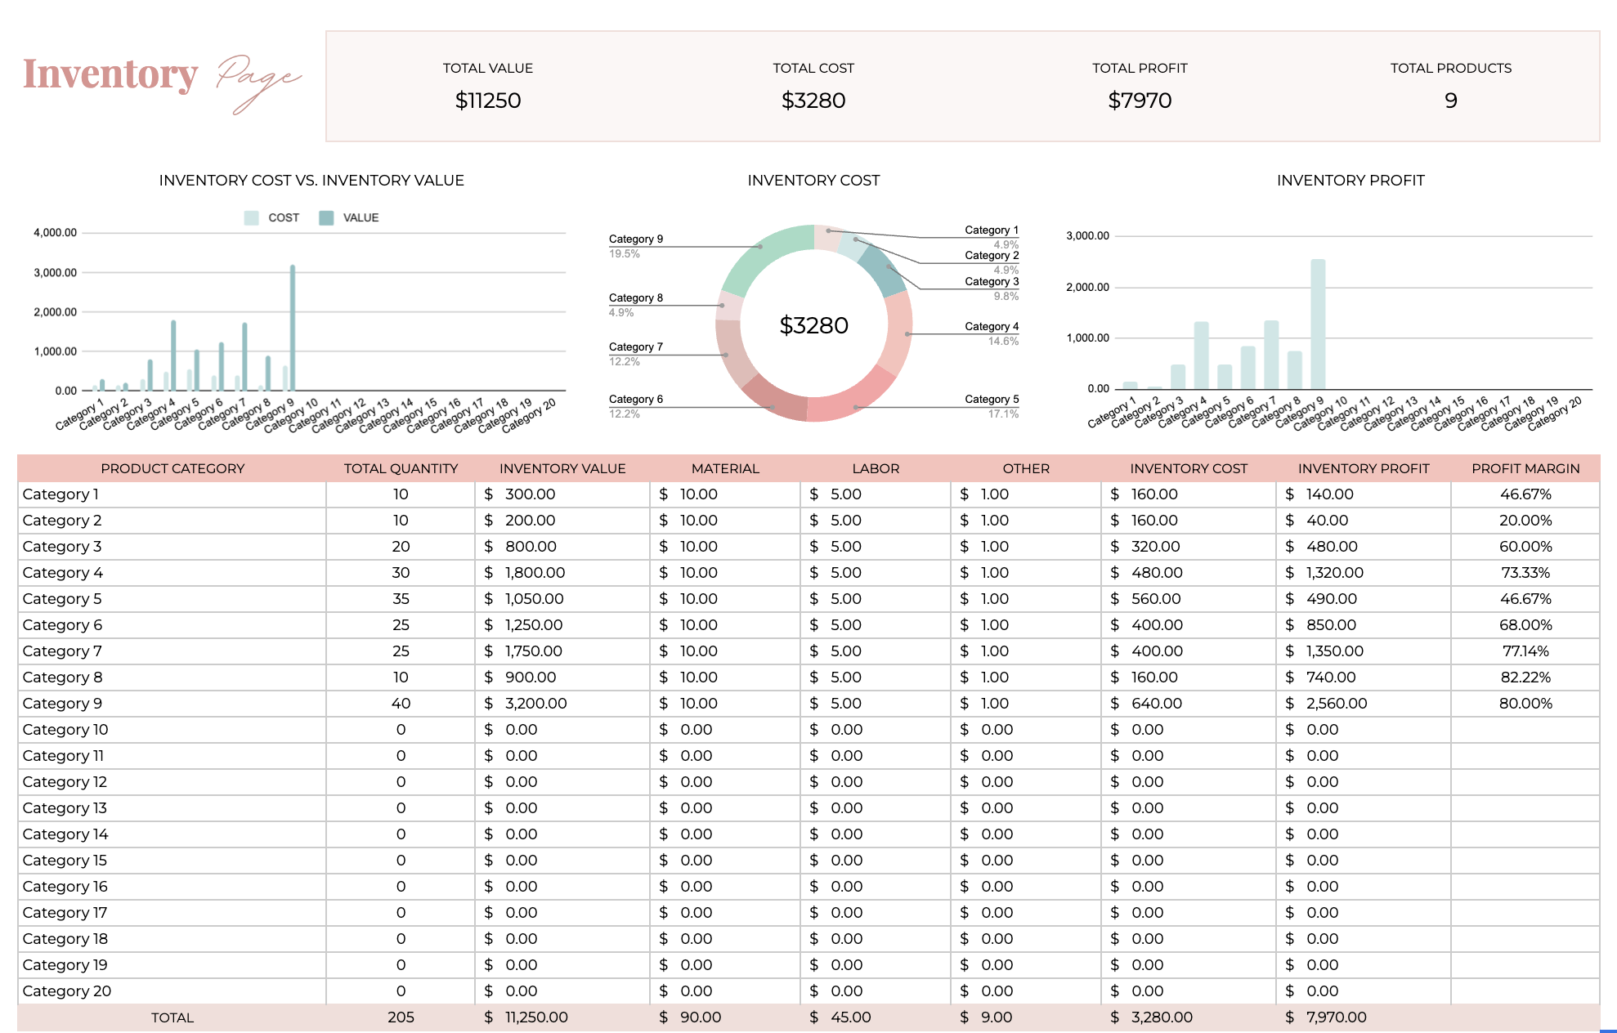
 |  |  |  | STEP 5. INVENTORY DASHBOARD TAB

 |  |  |  | The Inventory tab is fully automated. It will update automatically when you fill in
 |  |  |  | the products tab. Here you'll find the following information:

 |  |  |  | - total inventory value
 |  |  |  | - total inventory cost
 |  |  |  | - total inventory profit
 |  |  |  | - total number of products
 |  |  |  | - all the totals by category

F A Q

 | ✔️ 'HEADS UP!' POP-UP MESSAGE

 | This spreadsheet is protected to prevent cells with formulas from being edited accidentally. However, there are exceptions on cells you're supposed to edit.
 | If you want to remove the sheet protection, please go to Data > Protected sheets and ranges. From there, select the tab and on the right,
 | there should be a Trash icon. Altering or removing formulas in the spreadsheet will change how it works.

 | ✔️ MAKE YOUR SPREADSHEET AVAILABLE OFFLINE

 | Google Sheets has made it possible to edit and access your spreadsheet offline. Go to File in the top left > Make available offline.

 | ✔️ ACCESS YOUR SPREADSHEET ON PHONE OR TABLET

 | While I recommend opening the spreadsheet for the first time on your computer or laptop, there are no restrictions on which devices you can edit
 | your spreadsheet. If you'd like to access your spreadsheet on your tablet or phone I highly recommend downloading the Google Sheets app.

 | ✔️ ACCESS YOUR SPREADSHEET FROM MULTIPLE ACCOUNTS

 | If you'd like to access the spreadsheet with multiple Google Accounts, take the following steps: Click Share button at the top right >
 | In the bar that says add people or groups add gmail address of the person you would like to share the spreadsheet with >
 | on the right select access type: viewer, commenter or editor > click Done.

 | ✔️ ERROR MESSAGE 'SORRY, UNABLE TO OPEN THE FILE AT THIS TIME'

 | Usually this error message appears when there is not enough storage in your Google Drive. Firstly, I would recommend to check the storage
 | and clean it up a in case it's almost full, then try to open the link again.

 |  |  | BACK TO TOP

 |  |  | © 2026 Meledath Studio

